Worksheet-Traffic Fines
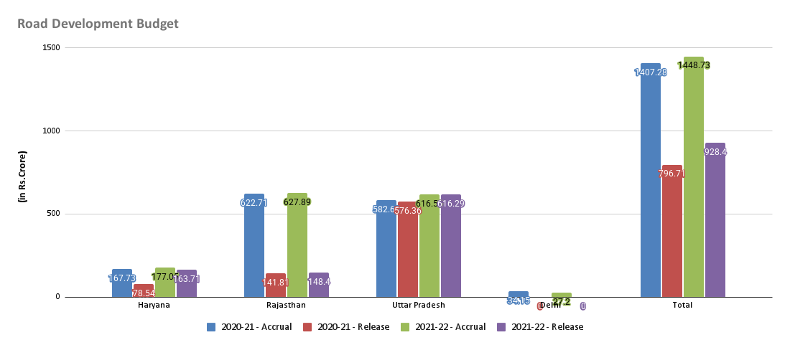
State | Year 2021 | Year 2022 | Total Year 2021 | Total Year 2022 | Percentage increase | Total Road development budget release
Delhi | 1740 | 2159 | 605600000 | 1074200000 | 43.62316142 | Total Year 2020 | Total Year 2021 | Total Year 2022 | Percentage increase for 2020 & 2021 | Percentage increase 2021 & 2022
Haryana | 2194 | 6744 |  |  |  | 7967100000 | 9284000000 | 10711000000 | 14.1846187 | 13.32275231
Rajasthan | 214 | 93
Uttar Pradesh | 1908 | 1746
Total | 6056 | 10742

Traffic Fines Collected by States

Correlation Analysis For GSDP &
Raw Data
State/UT | Gross State Domestic Product (GSDP)at Constant Prices - 2020-21 | Gross State Domestic Product (GSDP)at Constant Prices - 2021-22
Delhi | 547682 | 597765
Haryana | 510306 | 568086
Rajasthan | 663515 | 738922
Uttar Pradesh | 1077534 | 1181361

State/UT | Gross State Domestic Product (GSDP)at Constant Prices |  | Correlation Between GSDP at Constant price and Road Budget Release (2021-2022) |  |  | Meaning If the GSDP goes up the Road Development also goes up
Delhi Year 2020-21 | 5476820000000 |  | 0.1897041499 | very weak Correlation | Meaning an increase in one does not reliably predict a change in the other.
Delhi Year 2021-22 | 5977650000000 |  | Correlation Between GSDP at Constant price and Road Budget Release (2021-2022) Excluding Delhi
Haryana Year 2020-21 | 5103060000000 |  | 0.6675925224 | very weak Correlation | Meaning an increase in one does not reliably predict a change in the other.
Haryana Year 2021-22 | 5680860000000
Rajasthan Year 2020-21 | 6635150000000
Rajasthan Year 2021-22 | 7389220000000
Road Budget Release and (GSDP) at Constant Prices
Uttar Pradesh Year 2020-21 | 10775340000000
Uttar Pradesh Year 2021-22 | 11813610000000

Data from source sheet Road development budget for 2021 & 2022:- | Road development Budget Release | Gross State Domestic Product (GSDP)at Constant Prices
Delhi Year 2020-21 | 0 | 5476820000000
Delhi Year 2021-22 | 0 | 5977650000000
Haryana Year 2020-21 | 1637100000 | 5103060000000
Haryana Year 2021-22 | 4341900000 | 5680860000000
Rajasthan Year 2020-21 | 1484000000 | 6635150000000
Rajasthan Year 2021-22 | 6369100000 | 7389220000000
Uttar Pradesh Year 2020-21 | 6162900000 | 10775340000000
Uttar Pradesh Year 2021-22 | 0 | 11813610000000

Total Traffic Fines Collected
Total Year 2021 | Total Year 2022
605600000 | 1074200000

